Sheet1
 |  |  | 5,31 |  |  | 31,5
 | LSTM | Attention |  | LSTM | Attention | Attention |  | LSTM | Attention | Attention | LSTM | Attention | Attention | LSTM | Attention | Attention | LSTM | Attention | Attention |  | ARIMA
RMSE | 94 | 104 |  | 96 | 95 | 83 | 84 | 96 | 88 | 86 | 228 -> 108 | 120 | 105 | 220 | 126 | 106 | 235 | 112 | 101 |  | 103 | 107
PCC | 0.74 | 0.68 |  | 0.61 | 0.72 | 0.76 | 0.71 | 0.52 | 0.62 | 0.67 | 0.24 -> 0.83 | 0.82 | 0.86 | 0.22 | 0.83 | 0.83 | 0.23 | 0.81 | 0.86 |  | 0.86 | 0.85
 |  |  |  |  |  |  |  |  |  |  |  |  |  |  |  |  |  |  |  |  | train 330 | train 320
 | 오히려 | 떨어짐 |  |  | after | before | unit 20 after |  | after | before |  | after | before |  | after | before |  | after | before
 |  |  |  |  | unit 32 | train 360 |  |  | unit 32 | train 420 |  | unit 32 | train 320 |  | unit 32 | train 310 |  | unit 32 | train 330
 |  |  |  |  | tanh로 바꿈 |  |  |  | tanh로 바꿈 |  |  | softmax로 다시 바꿈 |  |  | softmax로 다시 바꿈 |  |  | softmax로 다시 바꿈
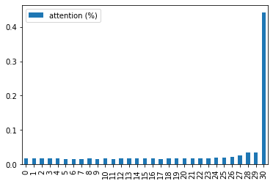

 |  |  |  |  |  |  |  |  |  |  | LSTM | Attention | Attention |  |  |  | LSTM | Attention | Attention
 |  |  |  |  |  |  |  |  |  |  | 214 | 105 | 101 |  |  |  | 266 | 104 | 109
 |  |  |  |  |  |  |  |  |  |  | 0.23 | 0.84 | 0.88 |  |  |  | 0.23 | 0.83 | 0.88

 |  |  |  |  |  |  |  |  |  |  |  | after | before |  |  |  |  | after | before
 |  |  |  |  |  |  |  |  |  |  |  | unit 32 | train 320 |  |  |  |  | unit 32 | train 330
 |  |  |  |  |  |  |  |  |  |  |  | tanh로 다시 바꿈 |  |  |  |  |  | tanh로 다시 바꿈

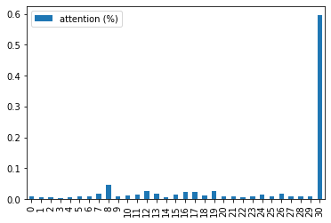

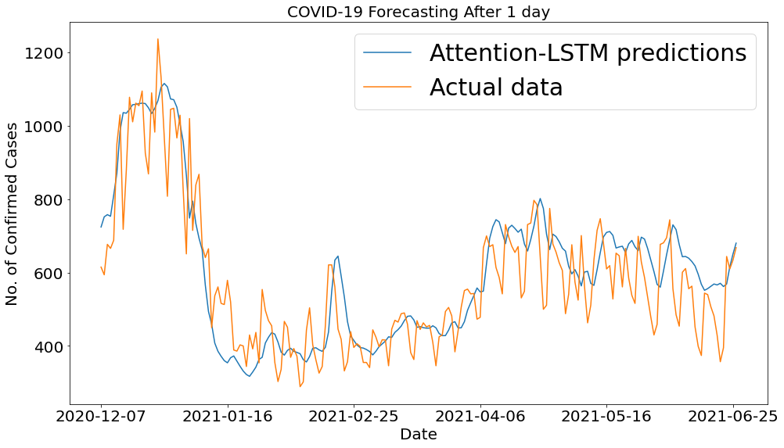
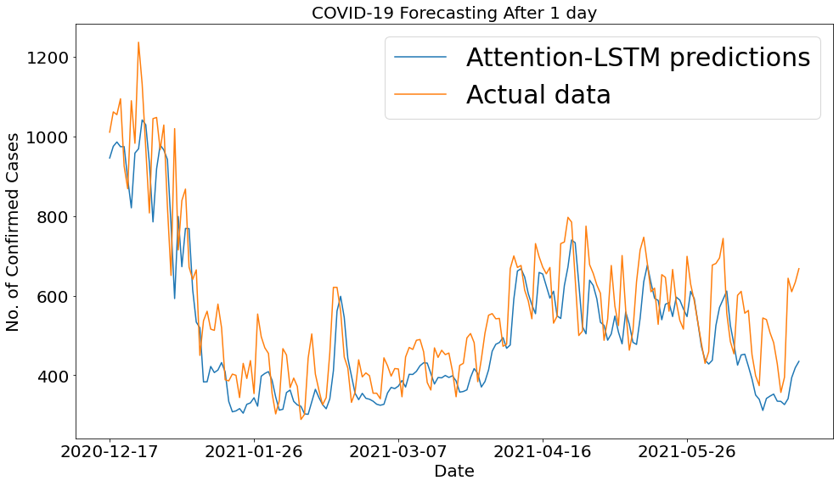

 |  |  |  |  |  |  |  |  |  | 320
 |  |  |  |  |  |  |  |  |  |  |  |  |  |  |  |  |  |  |  | 330

